2022 Survey responses
Question 1: How much do you support or oppose more measures to help achieve slower and safer traffic speeds on busier streets (e.g. Nicollet Avenue, Lyndale Avenue N, or Monroe Street NE) in Minneapolis?
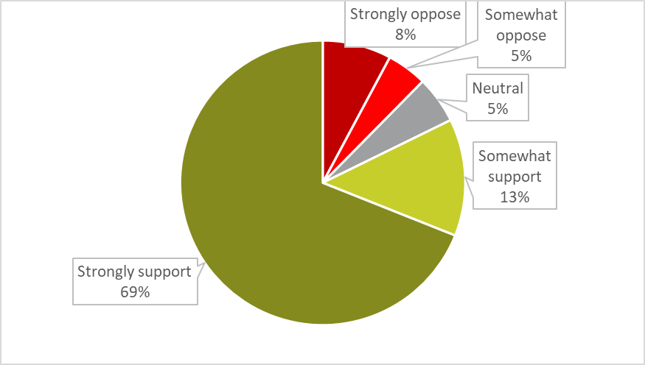
Don't know | 0.53% | 8
Somewhat oppose | 4.54% | 69
Neutral | 5.33% | 81
Strongly oppose | 7.77% | 118
Somewhat support | 13.23% | 201
Strongly support | 68.60% | 1042
Grand Total | 100.00% | 1519

Question 2: Would you support or oppose these specific measures on busier streets in Minneapolis to help achieve safer traffic speeds?
 | Strongly support | Somewhat support | Neutral | Somewhat oppose | Strongly Oppose | Total Support | Total oppose | Net support
Converting one-way streets to two-way | 23% | 15% | 24% | 14% | 17% | 38% | 31% | 7%
Adding speed humps | 33% | 20% | 14% | 14% | 19% | 53% | 33% | 20%
Narrowing traffic lanes | 41% | 14% | 9% | 12% | 22% | 55% | 34% | 21%
Converting 4-lane two way streets to 3 lanes | 46% | 15% | 9% | 9% | 17% | 61% | 26% | 35%
Adding bumpouts | 47% | 15% | 10% | 8% | 17% | 62% | 25% | 37%
Installing speed safety cameras for automated enforcement | 45% | 18% | 11% | 9% | 16% | 63% | 25% | 38%
Adding mini roundabouts | 38% | 25% | 14% | 9% | 12% | 63% | 21% | 42%
25-mph speed limits | 53% | 19% | 9% | 8% | 11% | 72% | 19% | 53%
Adding raised crossings | 55% | 17% | 9% | 6% | 8% | 72% | 14% | 58%
Adding pedestrian crossing medians | 63% | 18% | 8% | 4% | 5% | 81% | 9% | 72%

Support for Traffic SAFETY MEASURES On Busier Streets
 | Strongly support | Somewhat support | Neutral | Somewhat oppose | Strongly Oppose
Converting one-way streets to two-way | 0.23 | 0.15 | 0.24 | 0.14 | 0.17
Adding speed humps | 0.33 | 0.2 | 0.14 | 0.14 | 0.19
Narrowing traffic lanes | 0.41 | 0.14 | 0.09 | 0.12 | 0.22
Converting 4-lane two way streets to 3 lanes | 0.46 | 0.15 | 0.09 | 0.09 | 0.17
Adding bumpouts | 0.47 | 0.15 | 0.1 | 0.08 | 0.17
Installing speed safety cameras for automated enforcement | 0.45 | 0.18 | 0.11 | 0.09 | 0.16
Adding mini roundabouts | 0.38 | 0.25 | 0.14 | 0.09 | 0.12
25-mph speed limits | 0.53 | 0.19 | 0.09 | 0.08 | 0.11
Adding raised crossings | 0.55 | 0.17 | 0.09 | 0.06 | 0.08
Adding pedestrian crossing medians | 0.63 | 0.18 | 0.08 | 0.04 | 0.05

Question 3: Do you have any additional comments about traffic safety in Minneapolis that you would like to share?
Have you considered prohibiting turning right on red at more intersections ? I think this would be one of the most effective ways to improve safety.
Interest trio of 50th St and 40th Ave is a 4 way stop which is in desperate need of better sight lines and warnings. We need candy-stripes on our stop signs as well as no parking sign ahead of stop sign or a warning well before the stop sign that there is another stop ahead. Recently a tall camper was parked the legal distance away of the sign and 5 cars flew through the sign because they couldn’t see it. There are many children on bikes and dog walkers and kids getting to school buses through that intersection. Please Councilman Johnson help our neighborhood avoid a predictable tragedy. I have raised this intersection problem before and you couldn’t make any improvements. I hope you can help to get some changes.Thank you.
- Need permanent bumpouts, the temp ones only get damaged. - To reduce speeds, make roads more uncomfortable for drivers, more uncomfortable= lower speeds
"More policing" was not an option, and I think it would be the most effective change.
"Zero Vision" is a lie covered in deceit. Anyone who advocates lower speed limits and "traffic calming" should be fired, and prosecuted for mis-use of tax money. RAISE ALL THE SPEED LIMITS and make streets and highways safe for motor-vehicle traffic. Motor vehicle users are the ONLY group who pays EXTRA to support their infrastructure. 99% of traffic is motor vehicle traffic. Therefore, 99% of traffic funding should support better/faster/safer MOTOR VEHICLE operation. END "traffic calming". RAISE ALL THE SPEED LIMITS. And get the damned bicyclists OFF the major roadways, and on the right shoulder, single-file on the minor roadways.
*In favor of installing speed safety cameras unless 10 MPH. Fix Hennepin please! 24/7 bus lanes.
[in regard to installing speed safety cameras] -> support if non-fine ways to resolve tickets, strongly oppose if tickets. Enforcement must not reinforce racial disparities in policing, you should remove lanes on busy streets
1. Beware of traffic calming measures, like bumpouts, that make cycling more dangerous. 2. Add bike lanes!!
1. Bumpouts at corners need to have paint to divide lanes - I have seen MANY people crossing the "new" Grand Avenue stop in the dead center of the bumpouts instead of staying to the right "half" of the lane at the intersections. 2. If a street is one way, or two way, make it be the saem. This 1 way, 2 way, 1 way on first avenue is VERY confusing to people who not drive it often. I have seen several people weaving around, near misses, especially at 28, to be in the correct space. 3. I like the idea of safety camers. Yet there used to be cameras to send tickets to those running red lights and I believe it was declared not legally enforceable since the driver is not always the owner of the car being ticketed. Check into this history before wasting tax payer money again to buy cameras and have to turn them off.
1. Somewhat support the cement traffic bumpouts at corners. Oppose those awful white and yellow plastic "spikes" that just get knocked down, expecially by any truck with trailers for equipment. When flat, they look bad, and are a hazard for mobility impaired people crossing the street. 2. Sometimes the bumpouts actually make an intersection less safe. My example is 42 and Nicollet. There is no longer a turn lane on 42nd st driving west to turn south onto Nicollet with those white plastic things. So if a car wants to turn left, it often waits a while, and a long line can develop all the way down the 42nd st hill. So when the light on 42 turns yellow and red, multiple cars will dash through the intersection anyway because they are tired of waiting. Hopefully a left turn lane will be striped when the construction is done!
10 MPH parkways, all users.
18th and Johnson is the worst. No one knows what lanes to be or looks to see if there’s a car before merging. REPaint the dashes and paint the arrows. I’m tired of people not knowing what lane they are in!
18th Ave NE between Monroe and Central should be reviewed. There have been 3 cars that have flipped in the past 1.5 years. A speed bump should be added or no parking on North side should be implemented. It is difficult to pull out from Jackson when you can't see oncoming speeding traffic.
1st Street S between 3rd and 5th Ave needs to be turned to one way. Very dangerous with all the deliveries and two way traffic with Owamni open
20 feels too slow unless it's an icy day or there is a narrow opening between cars. Most people have increased their speeds anyway. More grassy areas in the middle of the street making it easier for pedestrians to cross busy streets and wait there until it's safe to cross fully. People don't know how to use roundabouts, so that seems to make things less safe. I support making it difficult to turn left on busy streets like Lyndale, Lake and Hennepin. These streets are also very difficult to cross as a pedestrian. Some intersections are worse than others.
20 mph limits don't make sense, aren't obeyed and should be repealed
24 hour bus lines. Also stop police from conducting high speed pursuits and killing residents
24/7 Bus lanes!!!
24/7 express bus lanes would also help
4 to 3 conversions can be good but not at the expense of potential bus lanes.
42nd and Lyndale is and always has been a dangerous intersection.
46th Street East and 28th Avenue South experience very high volumes of speeding traffic and need help desperately to keep streets safe for bicycles, pedestrians, cars and the humans who live in these neighborhoods!
50th Street between Lyndale and France is a great example of a much improved street with single lanes and left turn pullouts.
A better explanation of your survey questions would be helpful such as examples
A better understanding of crosswalk laws for motorists ex. when does the pedestrian have the right of away? When are they considered "in the crosswalk"? One step in? While they are waiting to cross? etc. More bike lanes and off-street bike paths.
A crosswalk was removed at the corners of 3rd St South & 11th Ave South during reconstruction. Please bring the crosswalk signage and street markings back! Flashing lights would also be beneficial to pedestrians.
A few things to note: Roundabouts do not work in the country bc people do not know how to use them. Speed safety cameras ONLY work if you put them in the right place. (see the Groveland Avenue test. Cameras were places right as you turn onto Groveland Avenue, not further down the street, where people tend to speed up before crossing the highway. And the same in the other direction. That was a fail on the City's part.). And finally, with two sided street parking turning a one way into a two way, or making the streets narrower, will not cause people to slow down.
A lower speed limit on thoroughfares is unworkable. People who want to get someplace in a hurry will just pass the slower moving traffic at high speed. More dangerous that way.
A small roundabout was installed at an intersection that I go through now and then. I never had a problem before it was installed, After, a pickup truck didn't even slow down to swerve around it, and another driver didn't yield. It certainly doesn't seem to making any positive difference. Also, there's a difference between slowing traffic and stopping it. I don't support having to wait for buses to load/unload or having to wait for left turners because the road is too narrow to go around them.
Actually enforce traffic laws. If you don’t have police who actually enforce the laws, nothing will change
Add bumpouts as ADA ramps are installed. Current project in East Nokomis is just adding Ada ramps, would've been a great opportunity to add bumpouts to the neighborhood
Add flashing red lights at high volume stop signs.
Add more of the radar machines? That say what speed you have - slows drivers down.
Add raised bike lanes as on Washington Ave in downtown. Support limited access to S 2nd St between 11th Ave and 3rd Ave.
Add street cameras
Adding bike lanes on streets that are already busy, is often dangerous for pedestrians - they need to watch for bike. traffic in addition to cars. It also reduces much needed cit parking for small business. I am a senior citizen and unable to bike or walk long distances, I need to drive. I need to have parking available near shopping. I am also a caretaker for two grandchildren who use car seats for transportation. Again, I need to drive and have parking available.
...

